Bug #1
Topic/Title | The page becomes unresponsive when clicking on the numbers of results.
Bug description | เว็บไซต์ไม่ตอบสนอง เมื่อคลิกเลือกการแสดงจำนวนสินค้า 10 , 25 , 50 ชิ้น เช่นเมื่อคลิกเลือกแสดงสินค้า 10 ชิ้น หน้าเว็บไซต์จะต้องแสดงสินค้าจำนวน 10 ชิ้นใน 1 หน้าเว็บไซต์
Severity | Major
Priority | High
Steps to reproduce | 1.Open https://academybugs.com 2.Click the Find Bugs link on the navigation bar 3.Click on the buttons to show a certain number of results at the top left
Expected result | The selected number of results is displayed according to the clicked buttons
Actual result | The page freezes when clicking on the numbers of results
Attachment/ Screenshot/ Video | 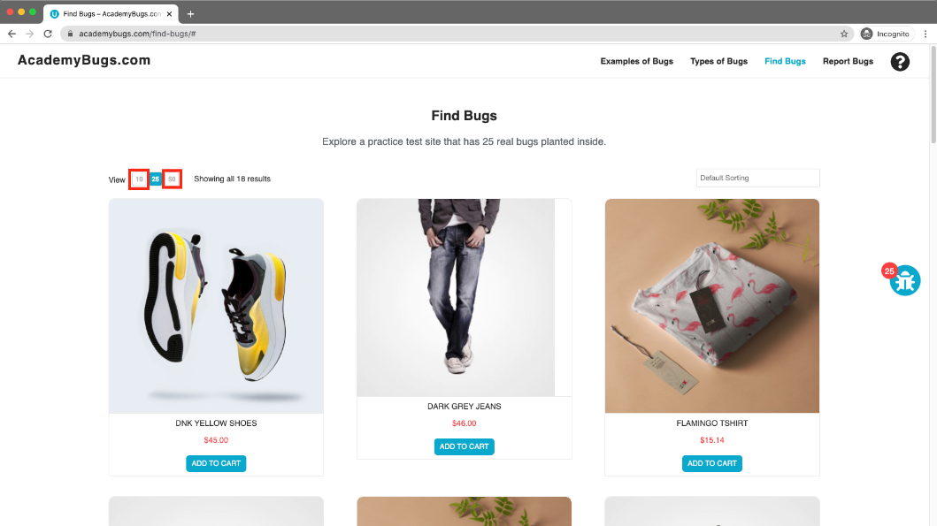
Test URL | https://academybugs.com/find-bugs/#

Bug #2
Topic/Title | The page freezes when changing the currency.
Bug description | เว็บไซต์ไม่ตอบสนองเมื่อคลิกเปลี่ยนแปลงสกุลเงิน
Severity | Major
Priority | High
Steps to reproduce | 1.Open https://academybugs.com 2.Click the Find Bugs link on the navigation bar 3.Open a product 4.Change the currency in the right side menu
Expected result | The currency is changed as expected
Actual result | The page freezes when changing the currency
Attachment/ Screenshot/ Video | 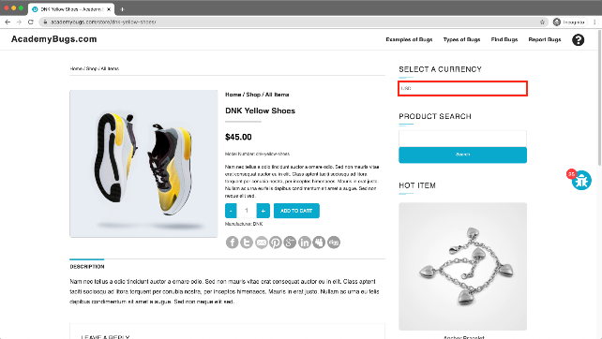
Test URL | https://academybugs.com/store/flamingo-tshirt/

Bug #3
Topic/Title | item images have unnecessary space underneath.
Bug description | รูปภาพรายการสินค้ามีพื้นที่ส่วนเกินอยู่ด้านล่างของภาพ
Severity | Low
Priority | Low
Steps to reproduce | 1.Open https://academybugs.com 2.Click the Find Bugs link on the navigation bar 3.Open a product 4.Find the Store Menu section in the right side menu 5.Choose All Items
Expected result | Item images have no space underneath
Actual result | Item images have unnecessary space underneath
Attachment/ Screenshot/ Video | 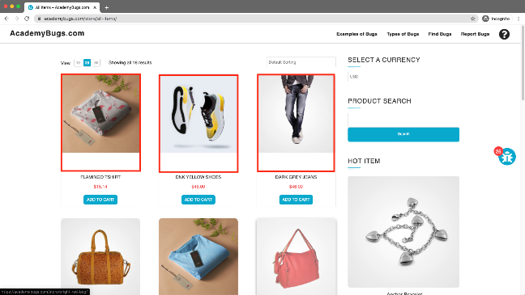
Test URL | https://academybugs.com/store/all-items/

Bug #4
Topic/Title | the page becomes unresponsive when clicking on the Post Comment button.
Bug description | หน้าเพจไม่ตอบสนองเมื่อคลิกที่ปุ่มโพสต์ความคิดเห็น
Severity | Major
Priority | Medium
Steps to reproduce | 1.Open https://academybugs.com 2.Click the Find Bugs link on the navigation bar 3.Open a product 4.Scroll down to the Leave a Reply section 5.Fill out the comment form 6.Click "Post Comment"
Expected result | The comment is posted under the product
Actual result | The page becomes unresponsive when clicking on "Post Comment"
Attachment/ Screenshot/ Video | 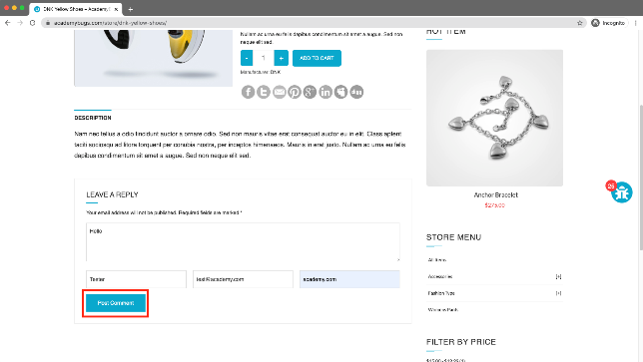
Test URL | https://academybugs.com/store/dnk-yellow-shoes/

Bug #5
Topic/Title | the billing address loads infinitely.
Bug description | เมื่อสมัครสมาชิกใหม่ หรือหากเป็นสมาชิกอยู่แล้วให้คลิกเข้าไปที่เมนู "Dashboard" แล้วสังเกตที่ช่อง BILLING ADDRESS ไม่มีการแสดงข้อมูลแต่แสดงการโหลดข้อมูล BILLING ADDRESS ตลอดเวลา
Severity | Minor
Priority | Medium
Steps to reproduce | 1.Open https://academybugs.com 2.Click the Find Bugs link on the navigation bar 3.Open a product 4.Sign up if you are not signed up or log in at the bottom of right side menu 5.At the bottom of the right side menu select Dashboard 6.Scroll up to the Billing Address section
Expected result | The Billing Address section shows appropriate info
Actual result | The Billing Address section loads infinitely
Attachment/ Screenshot/ Video | 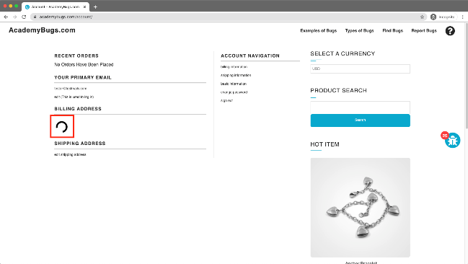
Test URL | https://academybugs.com/account/#

Bug #6
Topic/Title | the billing information isn't updated.
Bug description | ไม่สามารถอัพเดตข้อมูลการเรียกเก็บเงินได้
Severity | Major
Priority | High
Steps to reproduce | 1.Open https://academybugs.com 2.Click the Find Bugs link on the navigation bar 3.Open a product 4.Click "Sign Up" at the bottom of right side menu 5.Sign up with fake data if you are not signed up. Otherwise enter your credentials and log in 6.At the bottom of the right side menu select Billing Information 7.Fill out the billing information form 8.Click "Update"
Expected result | Billing information is updated after filling out the form and clicking "Update"
Actual result | Billing information loads infinitely after filling out the form and clicking "Update"
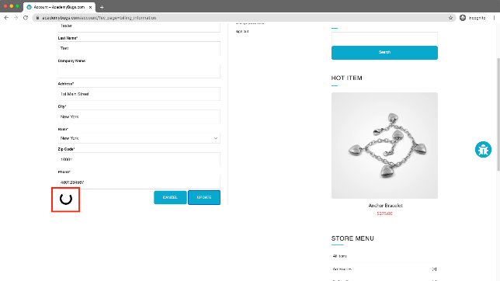 Attachment/ Screenshot/ Video
Test URL | https://academybugs.com/account/?ec_page=billing_information

Bug #7
Topic/Title | the page becomes unresponsive when clicking on the Retrieve Password button.
Bug description | เพจไม่ตอบสนองเมื่อคลิกที่ปุ่มรับรหัสผ่าน กรณีลืมรหัสผ่านและขอรับรหัสผ่านทาง Email
Severity | Major
Priority | High
Steps to reproduce | 1.Open https://academybugs.com 2.Click the Find Bugs link on the navigation bar 3.Open a product 4.Scroll down to the Your Account section of the right side menu 5.Click "Sign Up" 6.In the Returning Customer section click "Forgot Your Password?" 7.Enter your email in the field and click "Retrieve Password"
Expected result | The password is sent to the entered email
Actual result | The page becomes unresponsive when clicking on "Retrieve Password" and no email is sent
Attachment/ Screenshot/ Video | 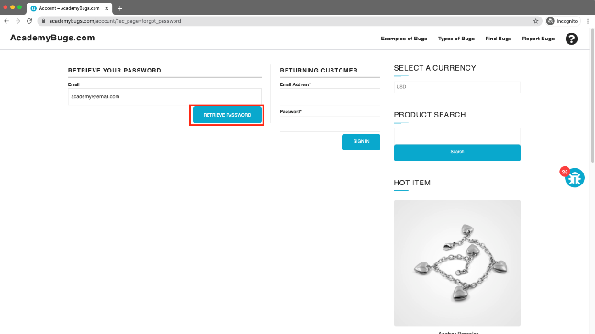
Test URL | https://academybugs.com/account/?ec_page=forgot_password#

Bug #8
Topic/Title | the order history loads infinitely.
Bug description | ไม่สามารถดูประวัติการสั่งซื้อได้ ( แสดงการโหลดตลอดเวลา )
Severity | Major
Priority | High
Steps to reproduce | 1.Open https://academybugs.com 2.Click the Find Bugs link on the navigation bar 3.Open a product 4.Sign up if you are not signed up or log in at the bottom of right side menu 5.At the bottom of the right side menu select Order History
Expected result | Your Order History section shows appropriate info
Actual result | Your Order History section loads infinitely
Attachment/ Screenshot/ Video | 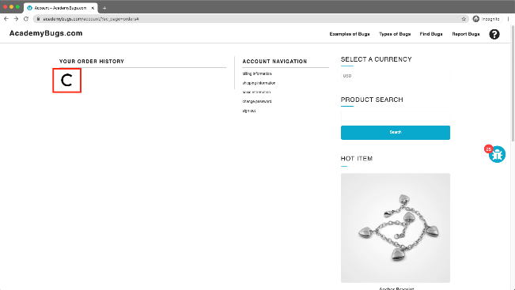
Test URL | https://academybugs.com/account/?ec_page=orders

Bug #9
Topic/Title | the product quantity cannot be increased past 2.
Bug description | ไม่สามารถเพิ่มปริมาณผลิตภัณฑ์ในตะกร้าสินค้าเกิน 2 ชิ้นได้
Severity | Major
Priority | High
Steps to reproduce | 1.Open https://academybugs.com 2.Click the Find Bugs link on the navigation bar 3.Add one or more products to the cart 4.Click the "View cart" link on top of the page 5.Set the products quantity to 3 or more 6.Click "update" below
Expected result | The product quantity can be increased past 2
Actual result | When clicking on the update button the product quantity becomes 2 again
Attachment/ Screenshot/ Video | 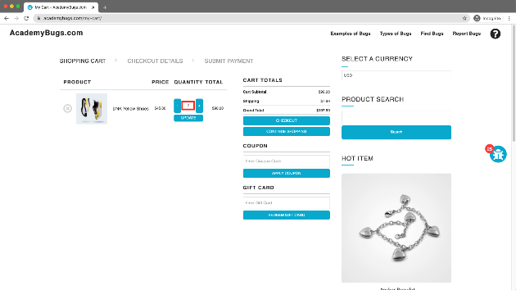
Test URL | https://academybugs.com/my-cart/

Bug #10
Topic/Title | the manufacturer link in the product details page is broken.
Bug description | ลิงค์ผู้ผลิตในหน้ารายละเอียดสินค้าเสีย ไม่สามารถกดเข้าไปได้
Severity | Minor
Priority | Medium
Steps to reproduce | 1.Open https://academybugs.com 2.Click the Find Bugs link on the navigation bar 3.Open a product 4.Click the manufacturer link under the quantity
Expected result | The manufacturer link shows an appropriate page
Actual result | The manufacturer link opens an error page
Attachment/ Screenshot/ Video | 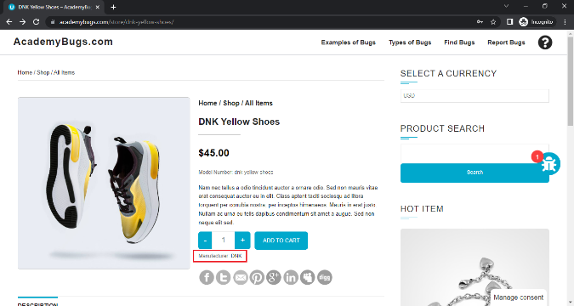
Test URL | https://academybugs.com/store/dnk-yellow-shoes/

Bug #11
Topic/Title | the My Space share page loads infinitely.
Bug description | หน้าเพจการแชร์ My Space ขึ้นโหลดตลอดเวลา
Severity | Minor
Priority | Low
Steps to reproduce | 1.Open https://academybugs.com 2.Click the Find Bugs link on the navigation bar 3.Open a product 4.Click the My Space share link
Expected result | The user is able to share the product through My Space
Actual result | My Space share page loads infinitely
Attachment/ Screenshot/ Video | 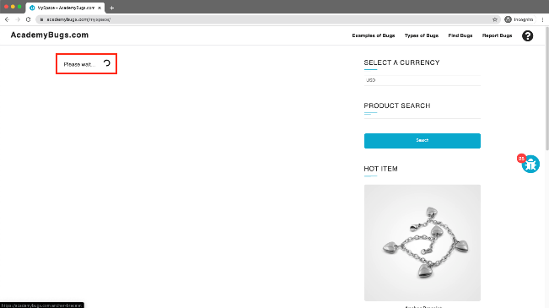
Test URL | https://academybugs.com/myspace/

Bug #12
Topic/Title | the twitter share button in the product details page is broken.
Bug description | ปุ่มแชร์ twitter ในหน้ารายละเอียดสินค้าเสียหาย ไม่สามารถกดแชร์ได้
Severity | Minor
Priority | Medium
Steps to reproduce | 1.Open https://academybugs.com 2.Click the Find Bugs link on the navigation bar 3.Open a product 4.Click the twitter share button
Expected result | The twitter share button shows an appropriate page
Actual result | The twitter share button shows an error page
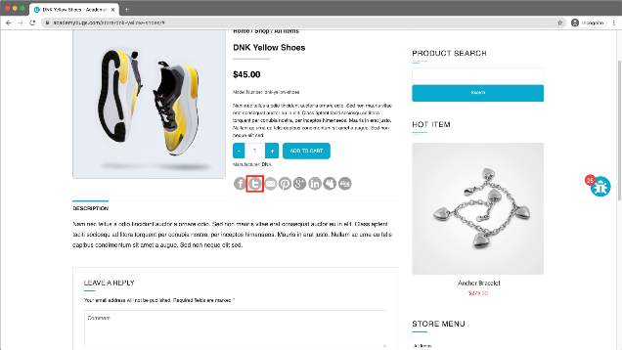 Attachment/ Screenshot/ Video
Test URL | https://academybugs.com/store/dnk-yellow-shoes/#

Bug #13
Topic/Title | the short description and description of the product are not in English.
Bug description | คำอธิบายสั้น ๆ และคำอธิบายของผลิตภัณฑ์ไม่ใช่ภาษาอังกฤษ
Severity | Minor
Priority | Medium
Steps to reproduce | 1.Open https://academybugs.com 2.Click the Find Bugs link on the navigation bar 3.Open a product
Expected result | The short description and description of the product are in English
Actual result | The short description and description of the product are not in English
Attachment/ Screenshot/ Video | 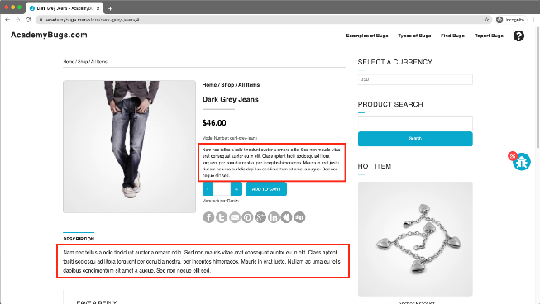
Test URL | https://academybugs.com/store/dark-grey-jeans/

Bug #14
Topic/Title | there are unreadable symbols in the shopping cart popup.
Bug description | มีสัญลักษณ์ที่ไม่สามารถอ่านได้ในป๊อปอัปตะกร้าสินค้า
Severity | Low
Priority | Low
Steps to reproduce | 1.Open https://academybugs.com 2.Click the Find Bugs link on the navigation bar 3.Add one or more products to the cart 4.Click "View Cart" on top of the page 5.Scroll down to the Shopping Cart section of the right side menu 6.Hover over the Shopping Cart caption
Expected result | All characters are clear to a regular user
Actual result | There are unreadable symbols in the shopping cart popup
Attachment/ Screenshot/ Video | 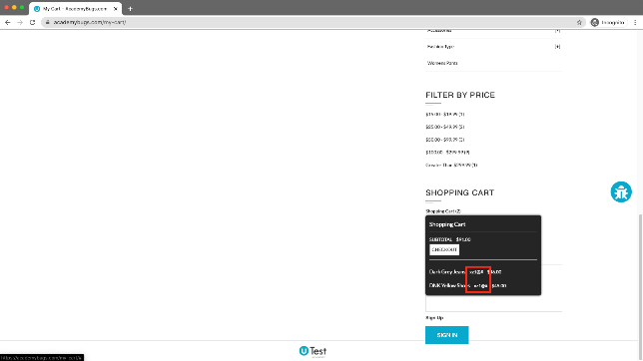
Test URL | https://academybugs.com/my-cart/

Bug #15
Topic/Title | the grand total is $100 more than the sum of all products in the cart.
Bug description | ยอดรวมราคาทั้งหมดมากกว่า ผลรวมราคาของสินค้าทั้งหมดในรถเข็น เป็นเงินจำนวน $100
Severity | Critical
Priority | High
Steps to reproduce | 1.Open https://academybugs.com 2.Click the Find Bugs link on the navigation bar 3.Add one or more products to the cart 4.Click the "View cart" link on top of the page, or click "Continue to Shipping" in the checkout details page
Expected result | The grand total is equal to the sum of all products in the cart
Actual result | The grand total is $100 more than the sum of all products in the cart
Attachment/ Screenshot/ Video | 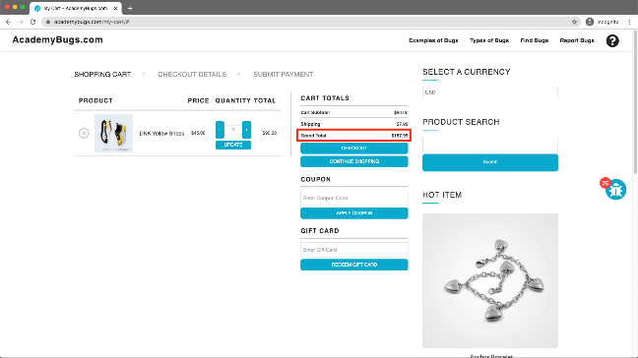
Test URL | https://academybugs.com/my-cart/#

Bug #16
Topic/Title | the page freezes when increasing the product quantity having green or pink colors chosen.
Bug description | หน้าเพจค้างเมื่อเพิ่มปริมาณสินค้าโดยเลือกสีเขียวหรือสีชมพู
Severity | Major
Priority | High
Steps to reproduce | 1.Open https://academybugs.com 2.Click the Find Bugs link on the navigation bar 3.Open a product that has color options 4.Choose the pink or green color 5.Increase the product quantity by 1 or more
Expected result | The quantity is increased to a desired value
Actual result | The page becomes unresponsive when increasing the quantity with the pink or green colors chosen
Attachment/ Screenshot/ Video | 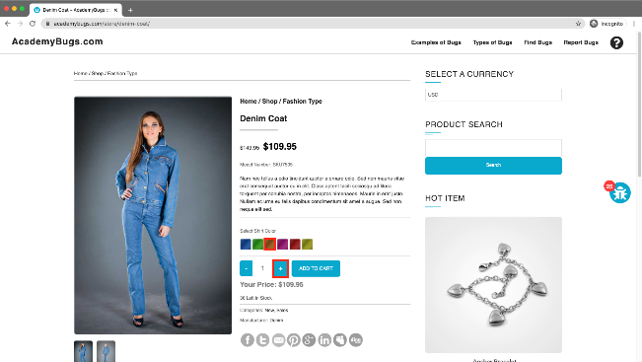
Test URL | https://academybugs.com/store/professional-suit/

Bug #17
Topic/Title | the product in the Hot Item section keeps loading.
Bug description | เมื่อคคลิกเข้าชมสินค้าในส่วน Hot Item จะขึ้นสถานะโหลดตลอดเวลา
Severity | Minor
Priority | High
Steps to reproduce | 1.Open https://academybugs.com 2.Click the Find Bugs link on the navigation bar 3.Open a product 4.Open the product in the Hot Item section of the right side menu
Expected result | The product in the Hot Item section is displayed
Actual result | The page loads infinitely
Attachment/ Screenshot/ Video | 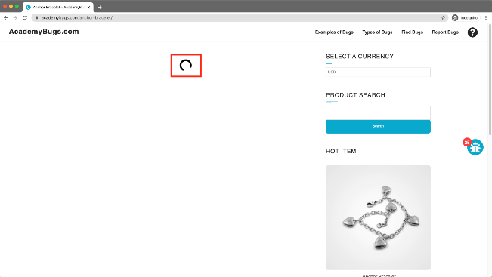
Test URL | https://academybugs.com/store/

Bug #18
Topic/Title | the text under the New User section is not in English.
Bug description | ข้อความใต้ "NEW USER" ไม่ใช่ภาษาอังกฤษ
Severity | Low
Priority | Low
Steps to reproduce | 1.Open https://academybugs.com 2.Click the Find Bugs link on the navigation bar Open a product 3.Scroll down to the bottom of the right side menu 4.Click "Sign In" to open the sign in page
Expected result | The text under the New User section is in English
Actual result | The text under the New User section is in another language
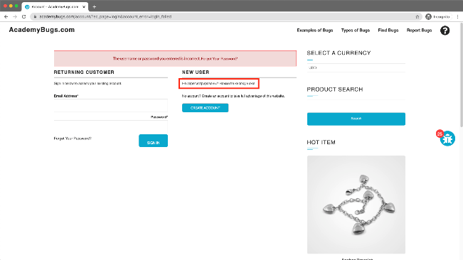 Attachment/ Screenshot/ Video
Test URL | https://academybugs.com/account/?ec_page=login

Bug #19
Topic/Title | the title of the password field is misaligned.
Bug description | ชื่อของช่อง "Password*" ไม่ตรงกับชื่อของช่อง "Email Address* "ด้านบน
Severity | Low
Priority | Low
Steps to reproduce | 1.Open https://academybugs.com 2.Click the Find Bugs link on the navigation bar 3.Open a product 4.Scroll down to the bottom of the right side menu 5.Click "Sign In" without filling the form to open the Sign In page
Expected result | The title of the password field is aligned the same as the field above
Actual result | The title of the password field is not aligned the same as the field above
Attachment/ Screenshot/ Video | 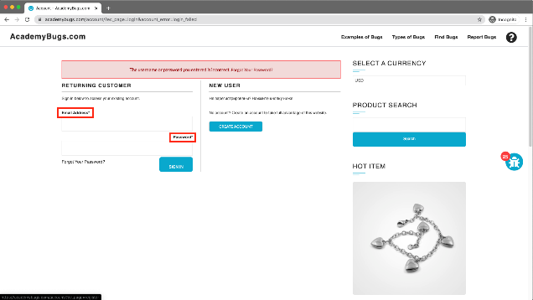
Test URL | https://academybugs.com/account/?ec_page=login&account_error=login_failed

Bug #20
Topic/Title | the caption of the Sign In button is misaligned vertically.
Bug description | คำบรรยายของปุ่ม "SING IN" ไม่อยู่กึ่งกลางในแนวตั้ง
Severity | Low
Priority | Low
Steps to reproduce | 1.Open https://academybugs.com 2.Click the Find Bugs link on the navigation bar 3.Open a product 4.Scroll to the bottom and find the sign in form in the right side menu 5.Enter any login and password that are not registered and click "Sign In"
Expected result | The caption of the Sign In button is centered vertically
Actual result | The caption of the Sign In button is misaligned vertically
Attachment/ Screenshot/ Video | 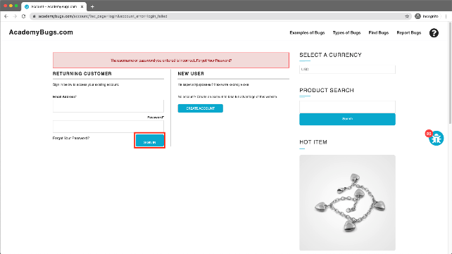
Test URL | https://academybugs.com/account/?ec_page=login&account_error=login_failed#

Bug #21
Topic/Title | there is big space before the last letter in "Return to Store".
Bug description | มีการเว้นวรรคช่องว่างก่อนตัวอักษรสุดท้ายใน "Return to Store"
Severity | Low
Priority | Low
Steps to reproduce | 1.Open https://academybugs.com 2.Click the Find Bugs link on the navigation bar 3.Open a product 4.Open the cart at the bottom of right side menu 5.Clear the cart if there are any items
Expected result | The caption of the "Return to Store" button is written with even spacing between letters
Actual result | There is too much space before the last letter in "Return to Store"
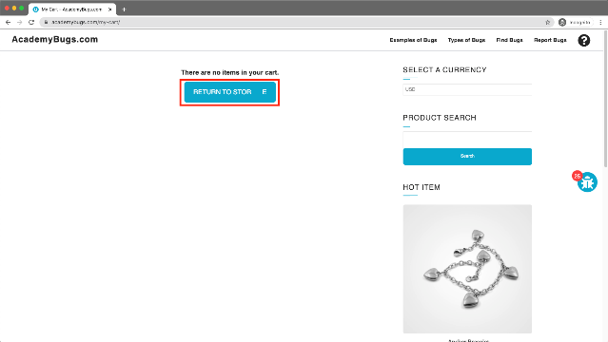 Attachment/ Screenshot/ Video
Test URL | https://academybugs.com/my-cart/

Bug #22
Topic/Title | the filter by price doesn't work in the product details or product list pages.
Bug description | เมนูกรองสินค้าจากราคา ใช้งานไม่ได้ ไม่มีการแสดงสินค้าในช่วงราคาตามหัวข้อเมนู
Severity | Minor
Priority | Medium
Steps to reproduce | 1.Open https://academybugs.com 2.Click the Find Bugs link on the navigation bar 3.Open a product 4.On the right side menu find the Filter by Price section 5.Select any of the price ranges 6.Also open any item from the right side Store Menu and select the price ranges on the right side menu
Expected result | A list of products in the selected price range is shown
Actual result | The same page reloads
Attachment/ Screenshot/ Video | 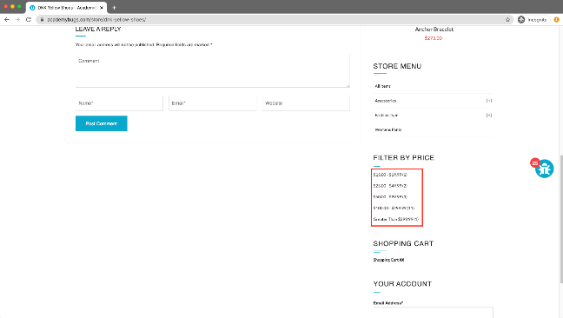
Test URL | https://academybugs.com/store/dnk-yellow-shoes/

Bug #23
Topic/Title | the yellow and orange colors of the product are misspelled.
Bug description | สีเหลืองและสีส้มของผลิตภัณฑ์สะกดผิด
Severity | Low
Priority | Low
Steps to reproduce | 1.Open https://academybugs.com 2.Click the Find Bugs link on the navigation bar 3.Open a product with color options 4.Choose the Yellow and Orange colors
Expected result | The yellow and orange colors are spelled correctly
Actual result | Yellow is misspelled as "Yelow" and Orange as "Orang"
Attachment/ Screenshot/ Video | 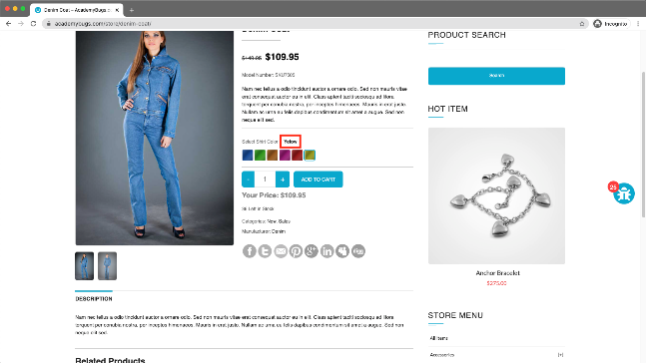
Test URL | https://academybugs.com/store/denim-coat/

Bug #24
Topic/Title | the Sign In button overlaps the footer.
Bug description | ปุ่ม "SIGN IN" ซ้อนทับเส้นส่วนท้ายของเพจ
Severity | Low
Priority | Low
Steps to reproduce | 1.Open https://academybugs.com 2.Click the Find Bugs link on the navigation bar 3.Open a product with no color selection options 4.Scroll down to the bottom of the right side menu
Expected result | The Sign In button is above the footer
Actual result | The Sign In button overlaps the footer
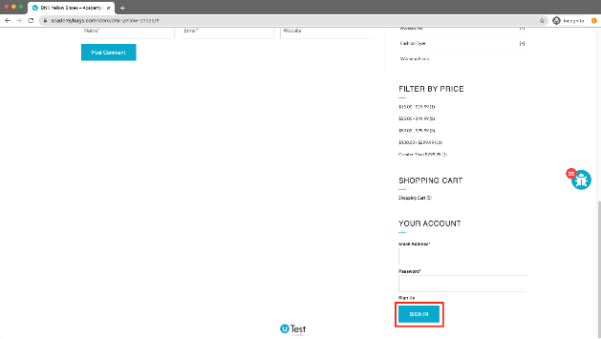 Attachment/ Screenshot/ Video
Test URL | https://academybugs.com/store/flamingo-tshirt/

Bug #25
Topic/Title | the image is not completely displayed.
Bug description | ภาพสินค้าแสดงไม่เต็มกรอบทางด้านขวา
Severity | Minor
Priority | Low
Steps to reproduce | 1.Open https://academybugs.com 2.Click the Find Bugs link on the navigation bar 3.Click on "Dark Grey Jeans"
Expected result | The product image fills the box entirely
Actual result | The image has a white space on the right
Attachment/ Screenshot/ Video | 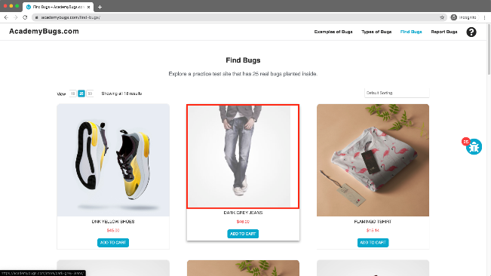
Test URL | https://academybugs.com/find-bugs/

